Sheet1
24747 | 7800 | 188356 | 696 | 11178 | 25000 | 6496 |  | 81053 | 27980 | 14991 | 9942 | 8320 | 7272 | 6655 | 4661 | 2330 | 1553 | 200000
1809 | 300 | 7499 | 7 | 491 | 1326 | 100 |  | 3226 | 2158 | 852 | 342 | 75 | 17 | 148 | 88 | 19 | 55 | 8000
7.3099769669 | 3.8461538462 | 3.9812907473 | 1.0057471264 | 4.392556808 | 5.304 | 1.539408867 |  | 3.9801117787 | 7.7126518942 | 5.683410046 | 3.43995172 | 0.90144230769 | 0.23377337734 | 2.2238918107 | 1.8880068655 | 0.81545064378 | 3.5415325177 | 4
ITALY | SPAIN | World | Princess* | SPAIN2 | Spain 3- 3/22 | US - LA Times - 3/18 |  | China | Italy | Iran | Spain | S.Korea | Germany | Fance | U.S. | Switz | Emgland | [GLOBAL-3/18]
17-Mar-20 | 17-Mar-20 | 17-Mar-20 |  | https://www.theguardian.com/world/2020/mar/17/coronavirus-latest-at-a-glance-tuesday | https://apnews.com/675d84737e34a94ddd55c6404272e024 | https://www.theguardian.com/world/2020/mar/17/coronavirus-latest-at-a-glance-tuesday |  | https://cruxnow.com/news-analysis/2020/03/on-the-coronavirus-rapid-aging-falling-fertility-and-humanae-vitae/
Princess* Cruise ship : All 3618 tested 696 positive, of which 410 asymptomatic and to date 7 died.

13689 | 242713 | 1063 | 1497
200 | 9867 | 21 | 27
1.4610271021 | 4.0652952252 | 1.9755409219 | 1.8036072144
US-LA-Times | WORLD-LA-Times | CALIF-LA-Times | CALIF-LA-Times
20-Mar-20 | 20-Mar-20 | 20-Mar-20 | 22-Mar-20
A study by the Chinese Center for Disease Control and Prevention found
overall fatality rate of 2.3 percent for the general Chinese population
3.6 percent for those 60 to 69
8 percent for those 70 to 79
14.8 percent for those 80 and older.
https://cruxnow.com/news-analysis/2020/03/on-the-coronavirus-rapid-aging-falling-fertility-and-humanae-vitae/

AGE | DEATH RATE | DEATH RATE
 | confirmed cases | all cases
80+ years old | 21.90% | 14.80%
70-79 years old |  | 8.00%
60-69 years old |  | 3.60%
50-59 years old |  | 1.30%
40-49 years old |  | 0.40%
30-39 years old |  | 0.20%
20-29 years old |  | 0.20%
10-19 years old |  | 0.20%
0-9 years old |  | no fatalities
https://www.worldometers.info/coronavirus/coronavirus-age-sex-demographics

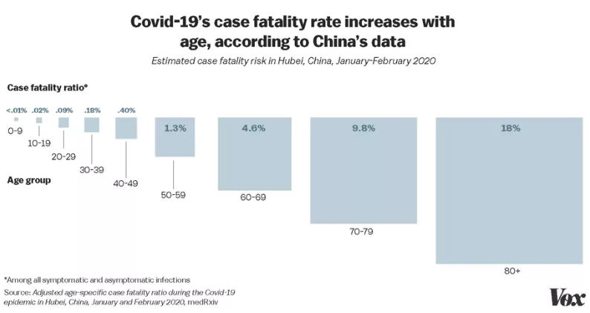

https://www.vox.com/2020/3/12/21173783/coronavirus-death-age-covid-19-elderly-seniors

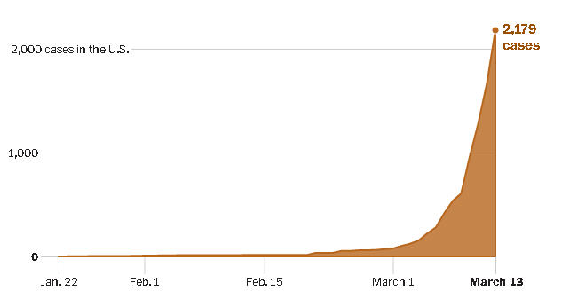

If the number of cases were to continue to double every three days, there would be about a hundred million cases in the United States by May.

https://www.washingtonpost.com/graphics/2020/world/corona-simulator/

JEREMY WERNER on CULLING the ELDERLY
“Using the 1918 influenza as a measure, the Centers for
Disease Control and Prevention calculate that deaths in
the United States from a similar outbreak today could
each 207,000, with the initial cost to the economy
roughly 1.5 percent of the GDP.
However, there are some key differences, not least the
fact that the Spanish flu disproportionately affected
those of prime work age, whereas the coronavirus
primarily kills the elderly. In the First World War
outbreak there was thus a lasting impact on supply, with
many families suffering the loss of the primary bread-
winner.
This is quite unlikely to occur this time around. Not to
put too fine a point on it, from an entirely disinterested
economic perspective, the COVID-19 might even prove
mildly beneficial in the long term by disproportionately
culling elderly dependents.”
 | https://www.telegraph.co.uk/business/2020/03/03/does-fed-know-something-rest-us-do-not-panicked-interest-rate/

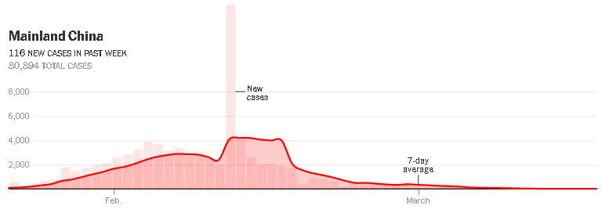

https://www.nytimes.com/interactive/2020/03/19/world/coronavirus-flatten-the-curve-countries.html?action=click&module=Top%20Stories&pgtype=Homepage

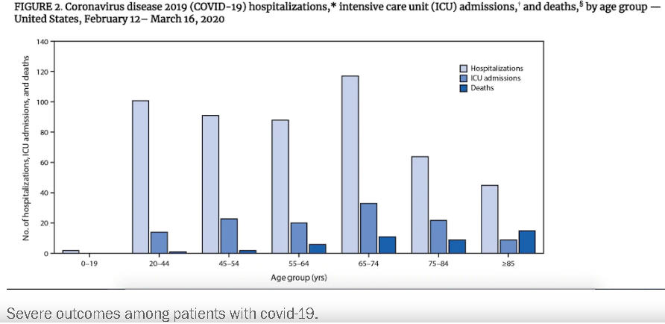

https://www.washingtonpost.com/health/2020/03/19/younger-adults-are-large-percentage-coronavirus-hospitalizations-united-states-according-new-cdc-data/

"NORMAL" 'FLU FATALITY RATE
If borne out by further testing, this could mean that current estimates of a roughly 1% fatality rate are accurate. This would make Covid-19 about 10 times more deadly than seasonal flu, which is estimated to kill between 290,000 and 650,000 people a year globally.
https://www.theguardian.com/world/2020/mar/21/can-face-mask-protect-me-coronavirus-covid-19-myths-busted

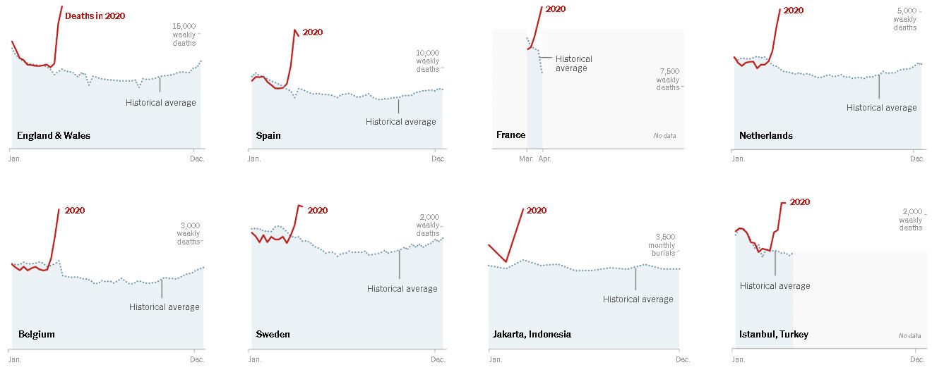

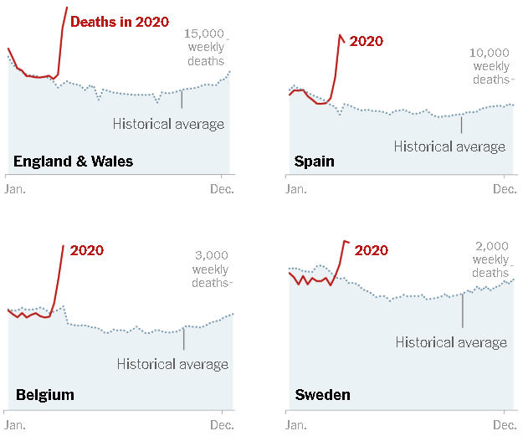

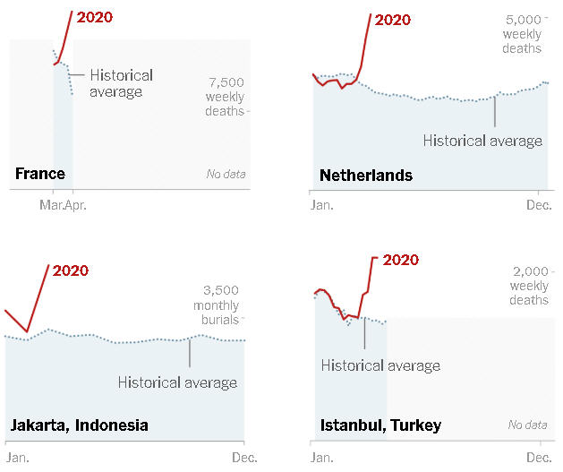

These numbers undermine the notion that many people who have died from the virus may soon have died anyway. In Paris, more than twice the usual number of people have died each day, far more than the peak of a bad flu season. In New York City, the number is now four times the normal amount.

“10 states are preventing in-person religious gatherings in any form,”
Roughly a third of states (15) are allowing religious gatherings to continue without any limit on their size.
Twenty-two states and the District of Columbia have specified in their orders that religious gatherings can take place,
but only if they are limited to 10 people or fewer.”
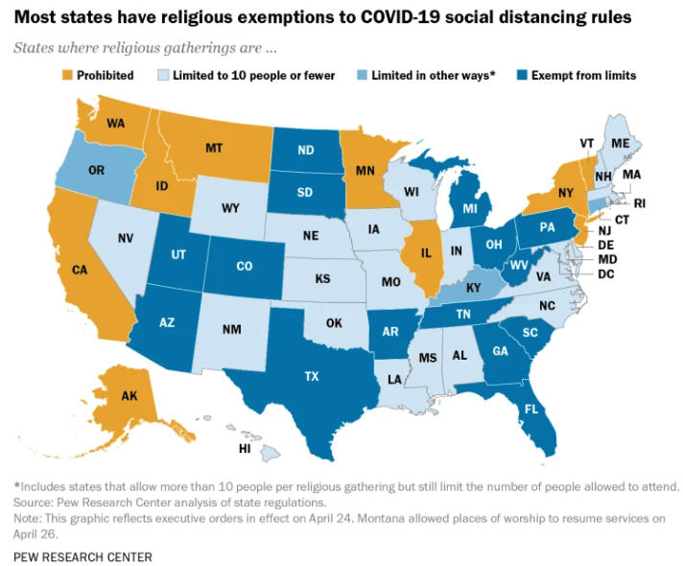

https://www.cdc.gov/nchs/nvss/vsrr/covid19/excess_deaths.htm

CHART as of May 5, 2020
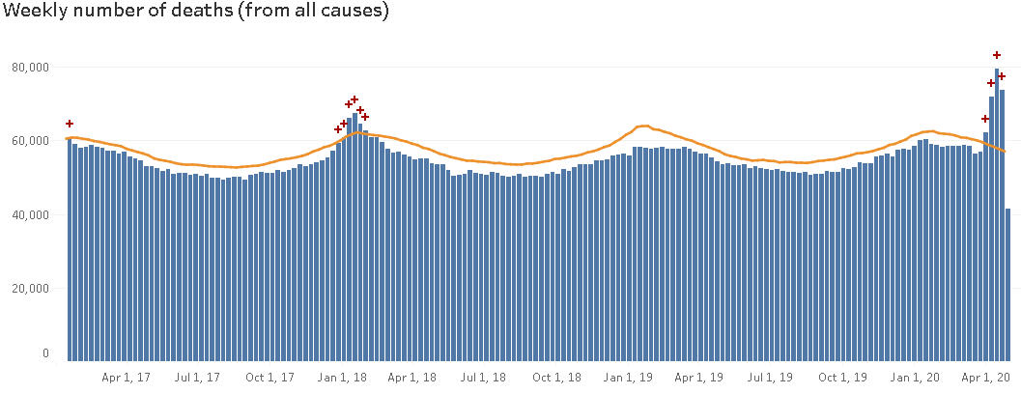

Note disparity with earlier estimates:
If "normal flu" deaths are approx .1% and 1918 flu 10%
it had been suggested that covid-19 is approx 1%
THESE stats (including efforts at containment) = approx .175%
But how much is quaranteen or pop. Density?
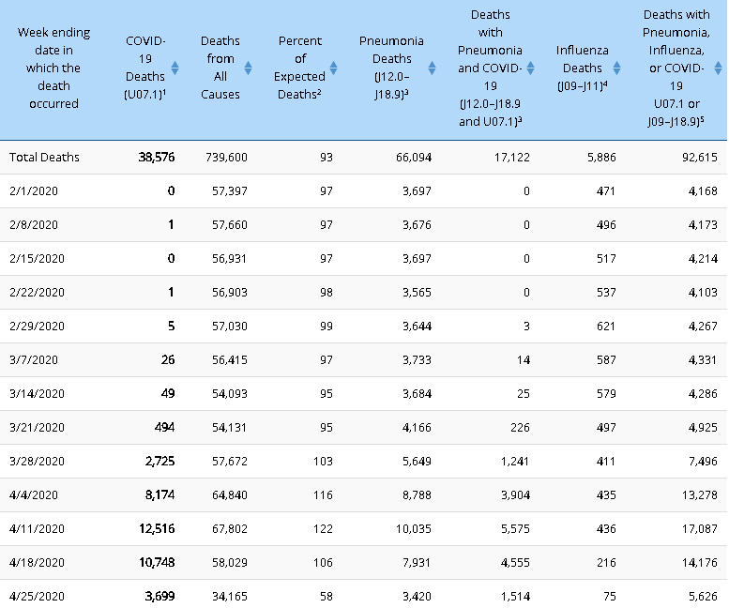

 |  |  |  |  |  |  | 75

New York Times finally compares excess deaths state-by-state 05-06-2020
https://www.nytimes.com/interactive/2020/05/05/us/coronavirus-death-toll-us.html?action=click&module=Spotlight&pgtype=Homepage
AREA | PCT. ABOVE NORMAL | EXCESS DEATHS |  | REPORTED COVID-19 DEATHS |  | GAP
New York City | 323% | 23,000 |  | 18,706 |  | 4,300
March 15 - May 2
New Jersey | 90% | 5,300 |  | 2,181 |  | 3,100
March 15 - April 11
Illinois | 17% | 1,400 |  | 682 |  | 700
March 15 - April 11
Massachusetts | 24% | 1,100 |  | 686 |  | 400
March 15 - April 11
California | 5% | 1,100 |  | 627 |  | 400
March 15 - April 11
Maryland | 15% | 500 |  | 207 |  | 300
March 15 - April 11
Florida | 3% | 500 |  | 442 |  | 80
March 15 - April 11
Washington | 9% | 400 |  | 458 |  | —
March 15 - April 11
New York (excluding N.Y.C.) | 9% | 300 |  | 109 |  | 200
March 15 - March 28
Michigan | 8% | 300 |  | 111 |  | 200
March 15 - March 28
Colorado | 10% | 200 |  | 124 |  | 100
March 15 - April 4
Wisconsin | 5% | 200 |  | 141 |  | 60
March 15 - April 11
South Carolina | 4% | 100 |  | 40 |  | 80
March 15 - April 4
Indiana | 3% | 100 |  | 116 |  | —
March 15 - April 4
Arizona | 3% | 90 |  | 53 |  | 40
March 15 - April 4
Texas | 1% | 60 |  | 29 |  | 30
March 15 - March 28
Vermont | 17% | 50 |  | 20 |  | 30
March 15 - April 4
Idaho | 4% | 50 |  | 27 |  | 20
March 15 - April 11
New Hampshire | 5% | 40 |  | 23 |  | 20
March 15 - April 11
Wyoming | 16% | 40 |  | 0 |  | 40
March 15 - April 4
Utah | 3% | 40 |  | 18 |  | 20
March 15 - April 11
Maine | 1% | 20 |  | 32 |  | —
March 15 - April 18
Delaware | 6% | 10 |  | 0 |  | 10
March 15 - March 21
Oregon | Normal | <10 |  | 12 |  | —
March 15 - March 28
Alabama | Below normal | <0 |  | 4 |  | —
March 15 - March 28
Arkansas | Below normal | <0 |  | 14 |  | —
March 15 - April 4
Georgia | Below normal | <0 |  | 19 |  | —
March 15 - March 21
Hawaii | Below normal | <0 |  | 8 |  | —
March 15 - April 11
Iowa | Below normal | <0 |  | 11 |  | —
March 15 - April 4
Kansas | Below normal | <0 |  | 54 |  | —
March 15 - April 11
Kentucky | Below normal | <0 |  | 3 |  | —
March 15 - March 21
Minnesota | Below normal | <0 |  | 24 |  | —
March 15 - April 4
Missouri | Below normal | <0 |  | 3 |  | —
March 15 - March 21
Montana | Below normal | <0 |  | 6 |  | —
March 15 - April 4
Nebraska | Below normal | <0 |  | 8 |  | —
March 15 - April 4
Nevada | Below normal | <0 |  | 46 |  | —
March 15 - April 4
Oklahoma | Below normal | <0 |  | 15 |  | —
March 15 - March 28
Tennessee | Below normal | <0 |  | 47 |  | —
March 15 - April 4
Washington, D.C. | Below normal | <0 |  | 1 |  | —
March 15 - March 21

FOR ONGOING EUROPEAN NATION "EXCESS DEATHS" STATISTICS:
https://www.euromomo.eu/graphs-and-maps#excess-mortality

MORTALITY RATES (problematic numbers) as of May 12, 2020
 | California | USA | world
Confirmed | 67,939 | 1,380,000 | 4,180,000
Deaths | 2,770 | 81,751 | 286,000
 | 4.0771868882 | 5.9239855072 | 6.8421052632
https://www.google.com/search?q=coronavirus+mortality+rate&rlz=1C1GCEU_enUS821US821&oq=coronavirus+mortality+rate&aqs=chrome..69i57j0l7.7052j0j8&sourceid=chrome&ie=UTF-8

2-Jul-20 | https://www.cdc.gov/nchs/nvss/vsrr/covid19/excess_deaths.htm#dashboard
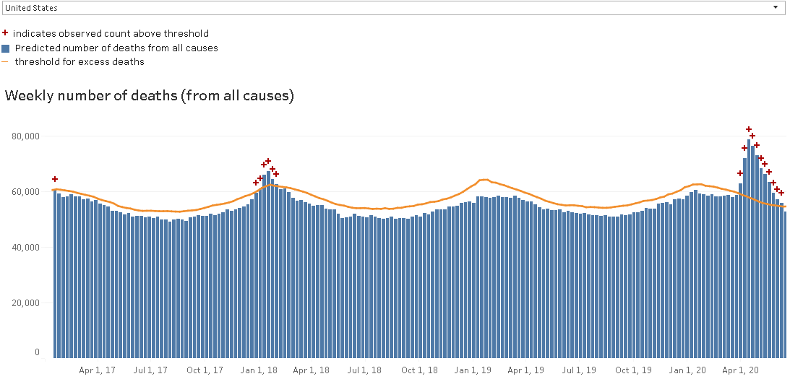

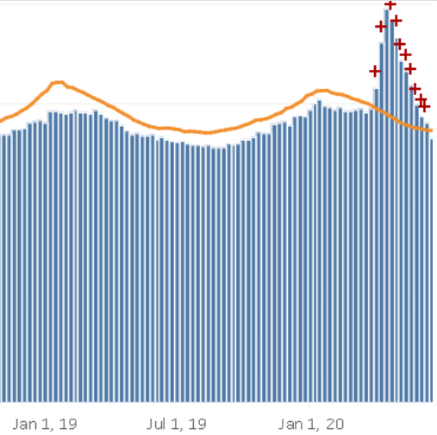
 |  |  |  |  |  |  | FIRST |  |  |  | AVERAGE?
 |  |  |  |  |  |  | Week-ending Date: |  | 28-Mar-20 |  | Jurisdiction: |  | United States
 |  |  |  |  |  |  | Average expected number of deaths: |  | 57,362 |  | Week-ending Date: |  | 23-May-20
 |  |  |  |  |  |  | Upper bound threshold for excess deaths: |  | 59,387 |  | Average expected number of deaths: |  | 53,253
 |  |  |  |  |  |  | Predicted (weighted) number of deaths: |  | 63,189 |  | Upper bound threshold for excess deaths: |  | 55,130
 |  |  |  |  |  |  | Percent excess: |  | 6.4 - 10.2 |  | Predicted (weighted) number of deaths: |  | 59,668
 |  |  |  |  |  |  |  |  |  |  | Percent excess: |  | 8.2 - 12.0

 |  |  |  |  |  |  | WORST |  |  |  | MOST RECENT
 |  |  |  |  |  |  | Week-ending Date: |  | 11-Apr-20 |  | Week-ending Date: |  | 13-Jun-20
 |  |  |  |  |  |  | Average expected number of deaths: |  | 56,257 |  | Average expected number of deaths: |  | 52,708
 | LAST DATE SHOWN is JUNE 13, 2020 |  |  |  |  |  | Upper bound threshold for excess deaths: |  | 58,258 |  | Upper bound threshold for excess deaths: |  | 54,545
 |  |  |  |  |  |  | Predicted (weighted) number of deaths: |  | 78,982 |  | Predicted (weighted) number of deaths: |  | 53,006
 |  |  |  |  |  |  | Percent excess: |  | 35.6 - 40.4 |  | Percent excess: |  | 0.0 - 0.6

FIRST
Week-ending Date: |  | 28-Mar-20
Average expected number of deaths: |  | 57,362
Upper bound threshold for excess deaths: |  | 59,387
Predicted (weighted) number of deaths: |  | 63,189
Percent excess: |  | 6.4 - 10.2

WORST
Week-ending Date: |  | 11-Apr-20
Average expected number of deaths: |  | 56,257
Upper bound threshold for excess deaths: |  | 58,258
Predicted (weighted) number of deaths: |  | 78,982
Percent excess: |  | 35.6 - 40.4

AVERAGE?
Week-ending Date: |  | 28-Mar-20
Average expected number of deaths: |  | 57,362
Upper bound threshold for excess deaths: |  | 59,387
Predicted (weighted) number of deaths: |  | 63,189
Percent excess: |  | 6.4 - 10.2

Jurisdiction: |  | United States
Week-ending Date: |  | 23-May-20
Average expected number of deaths: |  | 53,253
Upper bound threshold for excess deaths: |  | 55,130
Predicted (weighted) number of deaths: |  | 59,668
Percent excess: |  | 8.2 - 12.0

RECENT

Jurisdiction: |  | United States
Week-ending Date: |  | 23-May-20
Average expected number of deaths: |  | 53,253
Upper bound threshold for excess deaths: |  | 55,130
Predicted (weighted) number of deaths: |  | 59,668
Percent excess: |  | 8.2 - 12.0

MOST RECENT
Week-ending Date: |  | 13-Jun-20
Average expected number of deaths: |  | 52,708
Upper bound threshold for excess deaths: |  | 54,545
Predicted (weighted) number of deaths: |  | 53,006
Percent excess: |  | 0.0 - 0.6

9/5/2020 | https://www.cdc.gov/nchs/nvss/vsrr/covid19/excess_deaths.htm#dashboard |  |  |  |  |  | SEPTEMBER 5, 2020 - NO EXCESS DEATHS
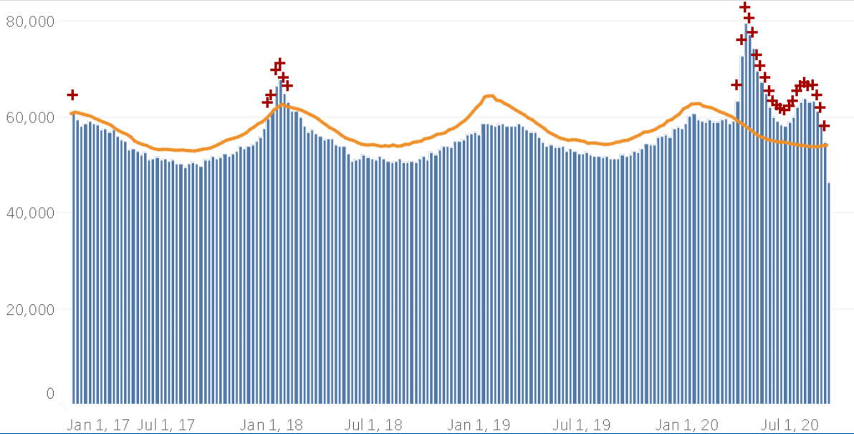

 | Expected | Actual |  |  |  |  |  | TOTAL DEATHS |  | Expected | Actual
VERY APPROX: | 55000 | 70,000 | 78.571428571 | 21.428571429 | 127.27272727 |  |  | 1957766 |  | 2.8093245056 | 3.5755039162

 |  |  | 27.272727273

